Overview
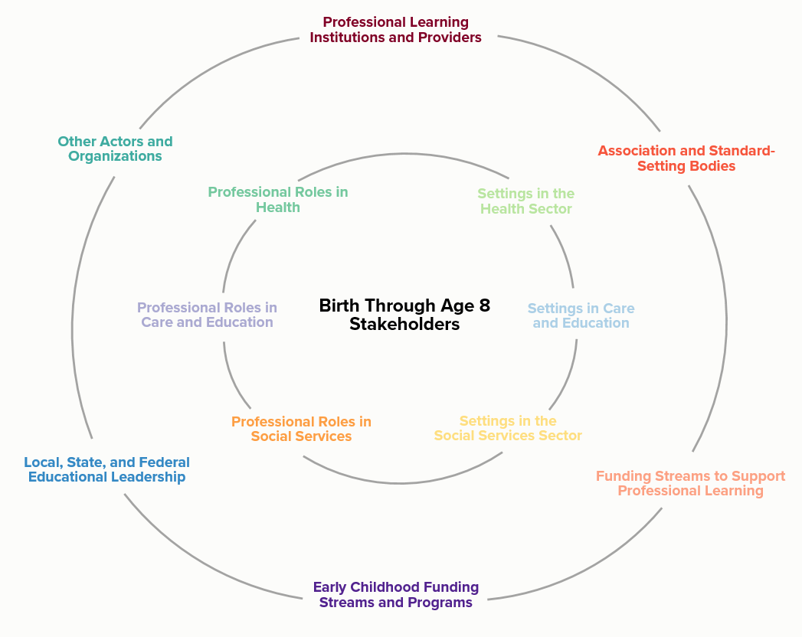

KUMU - Birth Through 8 Stakeholder Map
https://kumu.io/instituteofmedicine/birth-to-eight#birth-through-age-eight-stakeholders

ProfLearning & Inst
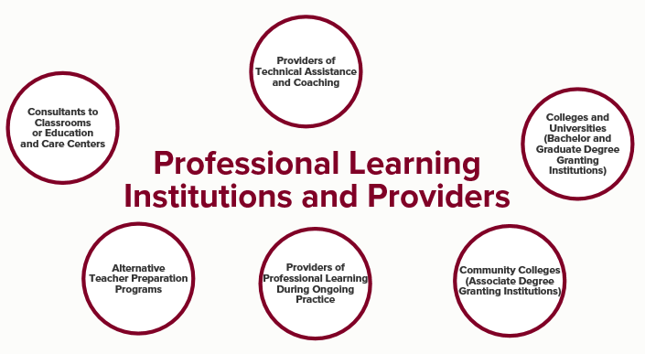
Entity Area | Nevada Entitites | Contact | Email | Phone
Consultants to Classrooms or ECE Centers | The Children's Cabinet | Marty Elquist | melquist@childrenscabinet.org | 775-856-0340
 | Nevada TACSEI | Janice Lee
 | Early Childhood Mental Health
 | Child Care Licensing | Latisha Brown
 | Unversity of Nevada Cooperative Extension | Teresa Byington
 | Nevada Department of Education
 | Part C
 | Head Start

Providers of Technical Assistance & Coaching | The Children's Cabinet | Marty Elquist | melquist@childrenscabinet.org | 775-856-0340
 | Nevada TACSEI | Janice Lee | janicelee@unr.edu | 775-682-9065
 | PD Standards Bus | Tina Springmeyer | tspringmeyer@washoeschools.net | 775-327-0675
 | Nevada LEND | Debra Vigil | dvigil@med.unr.edu | 775-682-7019

Colleges & Universities | University of Nevada | Melissa Burnham | mburnham@unr.edu
 | University of Nevada Las Vegas
 | Nevada State College
Alternative Teacher Prep Programs | Nevada Department of Education
Providers of Professional Learning During Ongoing Practice | The Nevada Registry | Shelly Nye | snye@washoeschools.net
 | Nevada Department of Education
 | Head Start
 | District PreK
 | Nevada TEACH Early Childhood | John Cregg | jcregg@doe.nv.gov
Community Colleges (AA granting institutions) | Truckee Meadows Community College | Crystal Swank
 | College of Southern Nevada
 | Western Nevada Community College
 | Great Basin | Lynette McFarland

Other Actors & Orgs
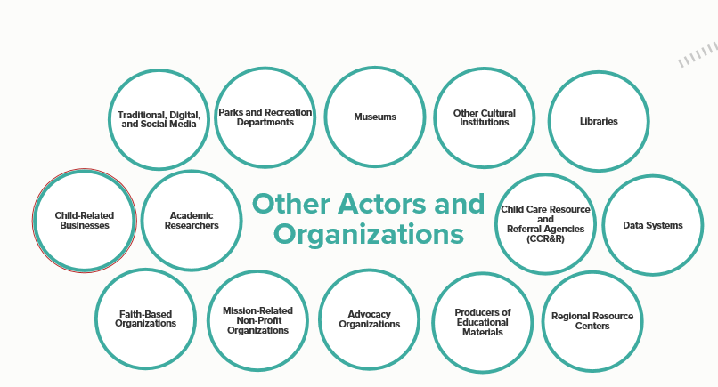
Entity Area | Nevada Entitites | Contact | Email | Phone
Traditional, Digital & Social Media | Vegas PBS | Jessica Russell | jrussell@vegaspbs.org
 | KNPB (PBS Northern Nevada)
 | All Agency Social Media pages
Parks and Recreation | Carson City Parks & Recreation
 | City of Elko
 | City of Henderson
 | City of Las Vegas
 | City of North Las Vegas
 | City of Reno
 | City of Sparks
 | Clark County Parks & Recreation
 | Elko Parks Department
 | Washoe County Parks & Recreation

Museums | Children's Museum (Carson)
 | Nevada Discovery Museum (Reno)
 | Discovery Children's Museum (Las Vegas)
 | Rancho San Rafael Regional Park
 | Springs Preserve

Other Cultural Institutions

Libraries | Northeast District (Elko, Lander, Eureka) | Jeannette Hammon | jmhammon@clan.lib.nv.us
 | Northwest District (Washoe County | Brenda Owens | bowens@washoecounty.us
 | Southern District (Clark County) | Joe Stoner | jstonerj@lvccld.org
 | Carson City |  |  | 775-887-2244
 | Humboldt County Library |  |  | 775-623-6388
 | Lyon County Library |  |  | 775-463-6645
 | Douglas County Library |  |  | 775-782-9841
 | Churchill County Library |  |  | 775-423-7581
Child-Related Businesses

Academic Researchers | Nevada Institute for Children's Research & Policy | Amanda Haboush | Amanda.Haboush@unlv.edu | 702-895-5908

CCR&R Agencies | Las Vegas Urban League | Michael Maxwell | mmaxwell@lvul.org | 702-473-5050
 | The Children's Cabinet | Marty Elquist | melquist@childrenscabinet.org | 775-856-0340
Data Systems | P-20W Council
 | Nevada Department of Education
 | DWSS
 | Head Start
 | WebIZ
 | NACCRRAware
 | Qstar
 | NV Registry
 | Licensing Database
Faith-Based Organizations

Mission-Related Non-Profit Organizations | United Way of Southern Nevada
 | United Way of Northern Nevada and the Sierra | Karen Barsell
 | The Children's Cabinet | Marty Elquist
 | Las Vegas Urban League | Michael Maxwell
 | Boys & Girls Clubs | Mike
 | NV PEP | Karen Taycher
 | Family TIES of Nevada
Advocacy Organizations | Children's Advocacy Alliance | Denise Tanata
 | NevAEYC | Kimberly Regan
 | NDLAC
 | Center for Independent Living
 | Washoe Legal Services | John Sasser
Producers of Educational Materials | Discount School Supply
 | Lakeshore Early Learning | Jon Bell

Regional Resource Centers | University of Nevada Reno - REPC

Local State Fed Leadership
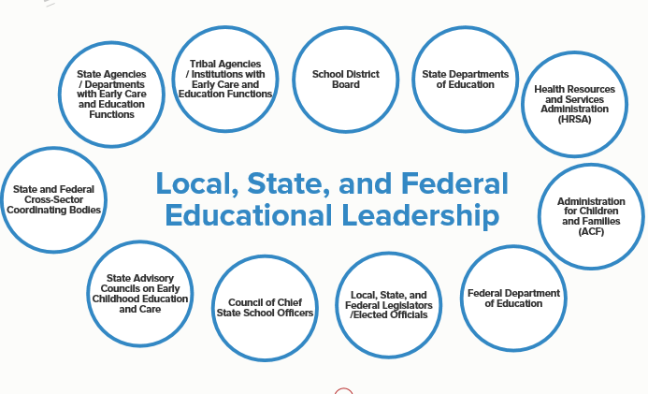
Entity Area | Nevada Entitites | Contact | Email | Phone
State Agencies/Departments with ECE Functions | DHHS-DWSS-Child Care Program | Jack Zenteno
 | DHHS-Part C | Justin
 | DHHS-Children with Special Health Care Needs
 | DPBH-Oral Health | Deborah Aquino
 | DPBH-Home Visiting | Evelyn Dyer | edryer@health.nv.gov
 | DPBH-MCH | Laura Valentine
 | DPBH-Chronic Disease | Kristi Rosusto
 | Child Care Licensing | Latisha Brown
 | NDE-Section 619 | Sherry Bingham | sbingham@doe.nv.gov
 | NDE-Engagement | Cynthia Santos | cynthiasantos@doe.nv.gov
 | NDE-Office of Early Childhood (Head Start, PreK, Quality) | Patti Oya | poya@doe.nv.gov
 | NDE-Office of Safe & Respectful Learning Env.
 | DCFS-Early Childhood Mental Health | Ann Polakowski | apolakowski@dcfs.nv.gov
 | DCFS-Child Protective Services | Amber Howell

Tribal Agencies/Institutions with ECE Functions | Intertribal Council of Nevada (Represents 6 tribes) | Mike Tinsley
 | Fallon Paiute Tribe | Lynette Fisherman
 | Walker River Paiute Tribe | Miranda Quinterro
 | Pyramid Lake Paiute Tribe | Constance
 | Las Vegas Paiute Tribe | Tammy Wantanabe
 | Reno/Sparks Tribal Council | San San Tin
 | Nevada Indian Commission (Tribal ECAC) | Sherry Rupert
 | Shoshone-Paiute Tribes of the Duck Valley | Teresa Manuelito
School District Boards | Carson City
 | Churchill County
 | Clark County
 | Douglas County
 | Elko County
 | Eureka County
 | Esmeralda County
 | Humboldt County
 | Lander County
 | Lincoln County
 | Lyon County
 | Mineral County
 | Nye County
 | Pershing County
 | Storey County
 | Washoe County
 | White Pine County
 | Charter School Authority
State Department of Education | Nevada Department of Education
Health Resources and Services Administration | Nevada Division of Public and Behavioral Health
State and Federal Cross-Sector Coordinating Bodies | Part C Interagency Coordinating Council
 | Interagency Council on Homelessness | Ellen Richardson-Adams

State Advisory Council on ECE | Nevada Early Childhood Advisory Council | Kourtenaye Monroe | kmonroe@doe.nv.gov
 | Carson City Local ECAC | Valerie Dockery | vdockery@carson.k12.nv.us | 775-283-1523
 | Churchill County Local ECAC | Greg Malkovich | malkovichg@churchill.k12.nv.us | 775-423-3463
 | Northeastern Nevada Local ECAC | Lisa Calder | lcalder@ecsdnv.net
 | Nye County Local ECAC | Linda Fitzgibbons | lfitzgibbons@nye.k12.nv.us | 775-727-1875
 | Southern Nevada Local ECAC | Amanda Haboush-Deloye | amanda.haboush@unlv.edu | 702-895-1040
 | Tribal Local ECAC | Sherry Rupert | srupert@nic.nv.gov
 | Washoe County Local ECAC | Melissa Burnham | mburnham@unr.edu | 775-784-7012

Council of Chief State School Officers
Local, State and Federal Legislators/Elected Officials | www.strongstartnevada.org | see website for list | Go to Action Center
Federal Department of Education
Administration for Children and Famililes |  | Rachel Schumaker

SystemFunding
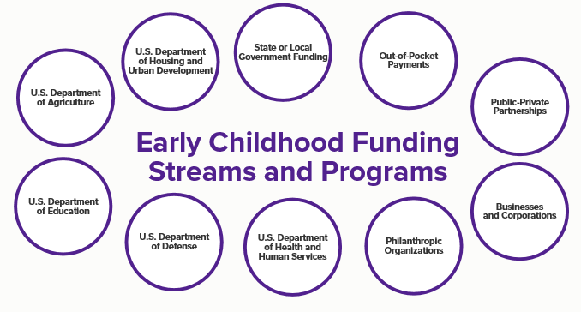
Entity Area | Nevada ECE Grants | Contact | Email | Phone
US Department of Agriculture | CACFP
US Department of Housing & Urban Development | Section 8
State of Local Government Funding | State Funded PreK
 | Zoom PreK
 | City & County Parks & Rec - OST Programs

Out of Pocket Systems | Parent Private Pay
Public-Private Partnerships | United Way of Northern Nevada and the Sierra
 | United Way of Southern Nevada
U.S. Department of Education | PreK Development | Patti Oya
 | Title I
U.S. Department of Defense | EFMP (Respite)
U.S. Department of Health & Human Services | CCDF | Jack Zenteno
 | Head Start | Tammie Williams
 | Early Head Start Partnership Grants
Philanthropic Organizations | W.K. Kellogg Foundation | Patti Oya
 | Windsong PreK (Clark County)
Businesses & Corporations | Patagonia Onsite Child Care
 | Venitian Onsite Child Care
 | Smokey Valley Onsite Child Care
 | IGT Onsite Child Care

PDFunding
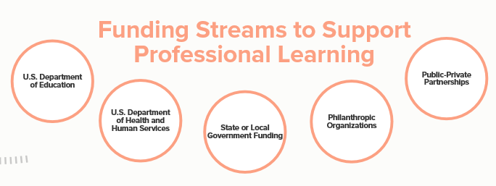
Entity Area | Nevada Entitites | Contact | Email | Phone
U.S. Department of Education | TEACH (K-12)
 | PreK Development Grant | Stacy Joyner

U.S. Department of Health & Human Services | TEACH Early Childhood | John Cregg | jcregg@doe.nv.gov
 | CCDF-Quality Dollars | Patti Oya | poya@doe.nv.gov
 | Chronic Disease Prevention (CDC) | Kristi Robusto
 | Head Start
 | Early Childhood Partnership Grantees
 | DHHS - Part C - TACSEI | Justin Bennett
 | DHHS - MCH | Mary Knight
State and Local Government Funding | DHHS-CCDF-State Match
 | NDE-State Funded PreK

Philanthropic Organizations | W.K. Kellogg Foundation-Leadership Series | Patti Oya

Public-Private Partnerships | The Children's Cabinet | Marty Elquist | melquist@childrenscabinet.org

Assoc&StandardBodies
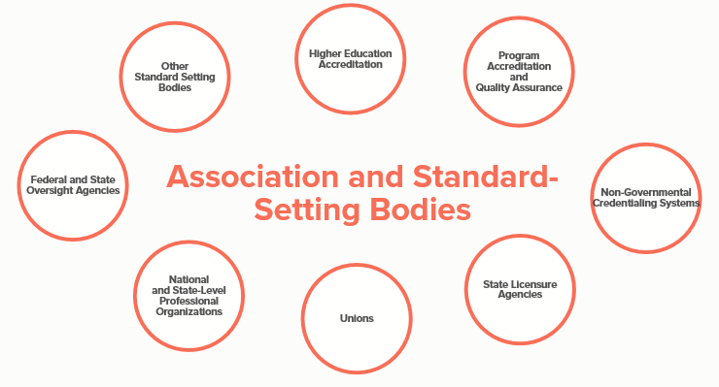
Entity Area | Nevada Entitites | Contact | Email | Phone
Higher Education Accreditation | NCATE

Program Accreditation & Quality Assurance | Nevada Silver State Stars QRIS
 | National Association for the Education of Young Children (NAEYC)
 | National Association of Family Child Care (NAFCC)
 | National Accreditation Commission for Early Education and Care Programs
 | National Early Childhood Program Accreditation
 | The Association of Christian Schools International (ASCI)
 | Council on Accreditation (COA) (old National Afterschool Association)

Non-governmental Credentialing Systems

Federal and State Oversight Agency | Nevada Dept. of Education
 | DHHS-DWSS-CCDF Requirements
 | DPBH-Child Care Licensing
National and State-Level Professional Organizations | NAEYC / NevAEYC
 | NAFCC
 | NACCP

Unions | Nevada Education Assoc.

State Licensure Agencies | Nevada Dept. of Education
 | DPBH-Child Care Licensing
Other Standard Setting | Nevada Registry | Shelly Nye
 | Nevada PreK Standards | Tina Springmeyer

EL-Roles
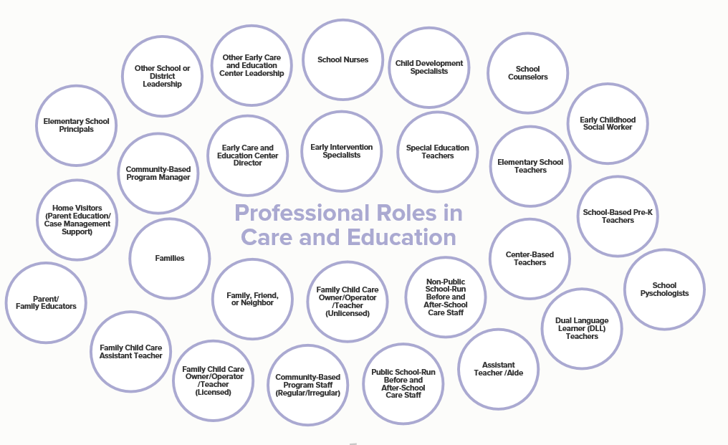
Entity Area | Nevada Entitites | Contact | Email | Phone
Elementary School Principals
Other School or District Leadership
Other ECE Center Leadership
School Nurses
Child Development Specialists
School Counselors
Early Childhood Social Worker
Home Visitors
Community-Based Program Manger
ECE Center Director
Center-Based Teachers
Early Interventionist
Special Education Teachers
Elementary School Teachers
School-Based Pre-K Teachers
Parent/Family Educators
Families
FFN Provider
Family Child Care Provider
Non-Public School run B&A School Staff
Family child Care Assistant Teacher
Community-Based Program Staff
Public Run Before & After School Program
Teacher Assistant/Aide
Dual Language Teacher
School Psychologist

EL-Settings
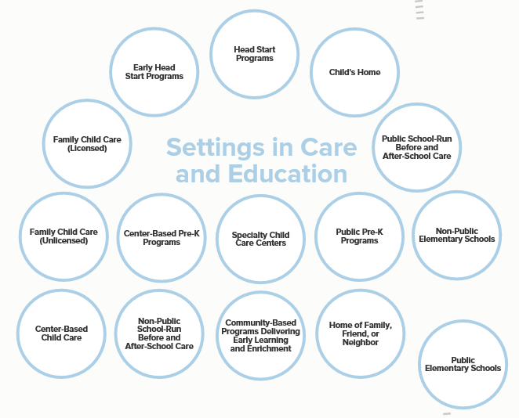
Entity Area | Nevada Potential Representative | Contact | Email | Phone
Early Head Start Program
Head Start Program
Child's Home
Licensed FCC
Public B&A School Care
FFN/FCC Unlicensed
FFN/FCC Unlicensed (In Child's Home)
Center-Based PreK Program
Specialty Child Care Center
Public Pre-K Program
Non-Public Elementary School
Center-Based Child Care
Non-Public School Run B&A School Care
Community-Based Programs Delivering Early Learning & Enrichment
Public Elementary School

Fam&Com-Roles
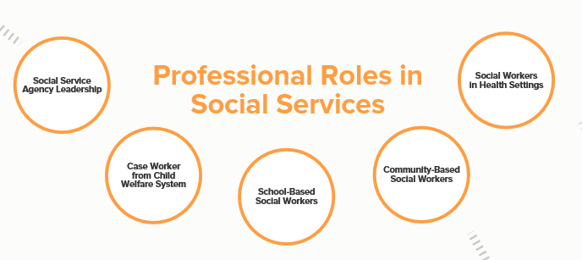
Entity Area | Nevada Entitites | Contact | Email | Phone
Social Service Agency Leadership
Case Worker from Child Care Welfare System
School-Based Social Workers
Community-Based Social Workers
Social Workers in Health Sectors

Fam&Comm-Settings
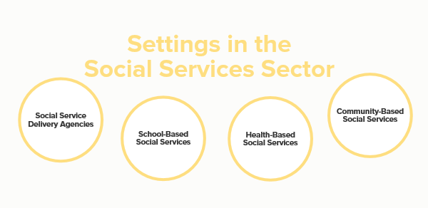
Entity Area | Nevada Entitites | Contact | Email | Phone
Social Service Delivery Agencies | Nevada Division of Child and Family Services (State & Rural) |  |  | 775-684-1930
 | Washoe County Social Services - CPS |  |  | 775-785-8600
 | Clark County Dept of Famiy Services - CPS |  |  | 702-455-5444
School-Based Social Services | Carson City
 | Churchill County
 | Clark County
 | Douglas County
 | Elko County
 | Eureka County
 | Esmeralda County
 | Humboldt County
 | Lander County
 | Lincoln County
 | Lyon County
 | Mineral County
 | Nye County
 | Pershing County
 | Storey County
 | Washoe County
 | White Pine County
Health-Based Social Services | Northern Nevada HOPES Clinic
 | Community Health Alliance

Community-Based Social Services
Parent Education | Nevada PEP
 | Family TIES
 | The Children's Cabinet
 | Vegas PBS
 | The Parenting Project (southern Nevada)
 | United Way of Southern Nevada
 | United Way of Northern Nevada & the Sierra
Economic & Parenting Support | Workforce Development
Culturally-Responsive Services | Families in Transition
Home Visiting | Sunrise Children's Foundation
 | Community Service Agency
 | University of Nevada, Reno (EHS)
 | The Children's Cabinet

Community Resources | Financial Guidance Center (NV 211)
 | Family Resource Centers
Equitable Access to Social Services & Assistance Agencies | The Children's Cabinet
 | Las Vegas Urban League
 | Family Resource Centers
Wraparound Services | The Children's Cabinet
 | Head Start
Parent Leadership & Engagement | Strong Start
 | The Children's Cabinet
 | Head Start
Protection & Advocacy | CASA
 | Foster Care Association

Health-Roles
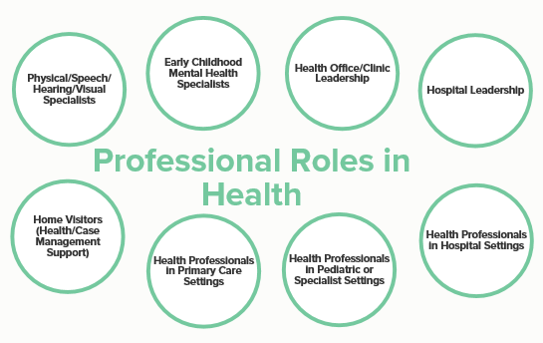
Entity Area | Nevada Entitites | Contact | Email | Phone
Physical/Speech/Hearing/Visual Specialists
Early Childhood Mental Health Specialists
Health Office/Clinic Leadership
Hospital Leadership
Home Visitors (Health/Case Management Support)
Health Professionals in Primary Care Settings
Health Professionals in Pediatric or Specialist Settings
Health Professionals in Hospital Settings

Health-Settings
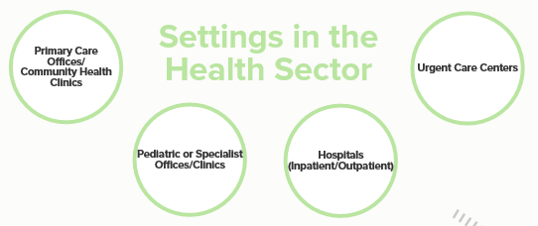
Entity Area | Nevada Entitites | Contact | Email | Phone
Primary Care Offices/Community Health Clinics | Numerous
Pediatric or Specialist Offices/Clinics
Hospitals (Inpatient/Outpatient)
Urgent Care Centers

